Variance
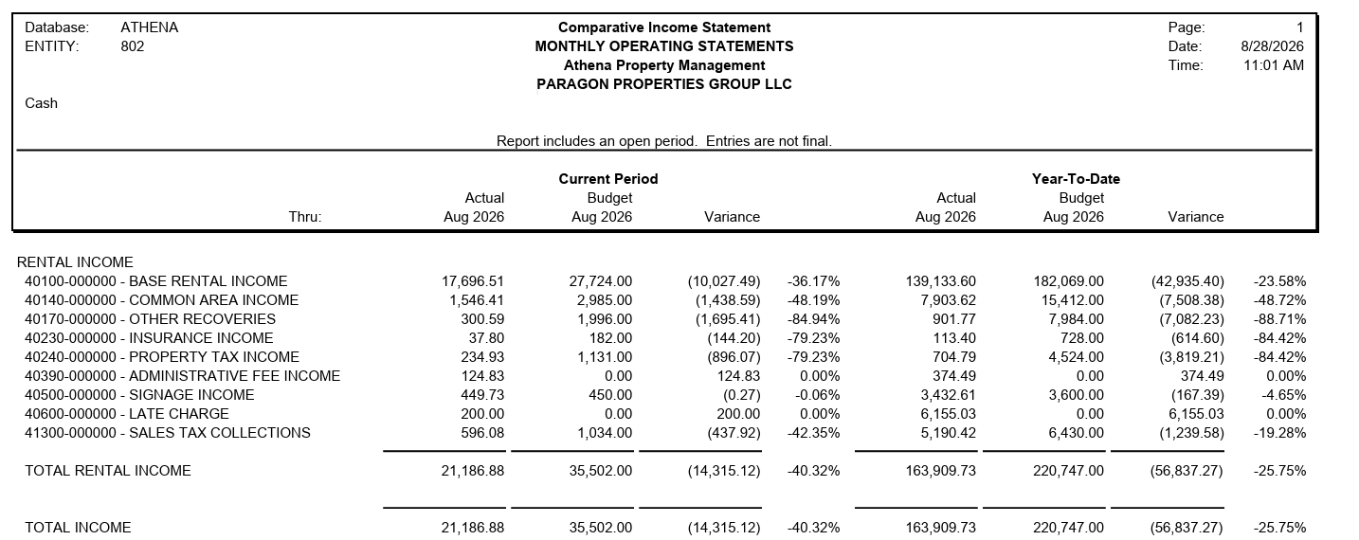
Particulars | Aug-26 |  |  |  |  | YTD
 | Budget | Payment | Variance | Comments | Budget | Payment | Variance | Comments
Occupational Medicine for Business & Industry | 15046.72 | 15,105.15 | 58.43 | SLS $58.44 Budget vs Pmt | 119,143.67 | 125,561.40 | 6,417.73 | LAT $1,405.81 not budgeted in Jan'26 STX $173.73 Budget vs Pmt in Jan'26, July'26 & Aug'26 NNN $4,838.20 Budget vs Pmt in June'26 & July'26
Arizona Sports & Spine Physicians | 5028.64 | 3,448.43 | (1,580.21) | BAS $2,602.57 & NNN $380.51 05/26 & 06/26 Past due paid LAT $200.00 received BAS ($4,505.74) & NNN ($277.09) Short Pmt STX $19.53 Budget vs Pmt | 39,894.17 | 30,448.43 | (9,445.74) | BAS ($9,011.48) Short Pmt in Apr'26 to Aug'26 STX $116.34 Budget vs Pmt from Jan'26 to Aug'26 NNN ($750.15) Short Pmt in May'26 to Aug'26 LAT $200.00 received in Aug'26
Arizona Trim Clinic | 0.00 | 2,633.30 | 2,633.30 | BAS $1,426.58 & NNN $1,206.72 Not Budgeted (NEW TT) | - | 7,899.90 | 7,899.90 | BAS $4,279.74 Not budgeted (New TT) in Apr'26, July'26 & Aug'26 NNN $3,620.16 Not budgeted (NEW TT) in July'26 & Aug'26
Vacant | 15426.24 | 0.00 | (15,426.24) | BAS ($9,550.56) & NNN ($5,875.68) No Pmt - Vacant | 61,704.96 | - | (61,704.96) | BAS ($38,202.00) & NNN ($23,503.00) No Pmt - Vacant in May'26 to Aug'26

 | 35,501.60 | 21,186.88 | (14,314.72) |  | 220,742.80 | 163,909.73 | (56,833.07)
 | 35,502.00 | 21,186.88 | -14,315.12 |  | 220,747.00 | 163,909.73 | -56,837.27
 | 0.40 | - | (0.40) |  | (4.20) | - | 4.20

